Instructions
Packing Slip and Shipping log
 | Note: | the "Packing List" tab is protected for editing except for the cells
 | that need to be changed. If any changes need to be done the password is laval
1. Change the Packing Slip number to the next sequence (+ 1)
2. Change the date to reflect the date the parts are shipped
3. Update "Shipper Init:" (if required)
4. Choose the part numbers shipped from the drop down, or type in
5. Type the respective quantities and number of skids
6. Update the total weight
7. Click the button at the end of each row to update the log
8. Double check the Shipping Log tab
 | - make sure all the parts were exported
 | - in case of dupplication delete the extra row(s) in the log
9. Save the file as PDF

 | - in the window that comes up go to the folder in which you want to save the PDF file
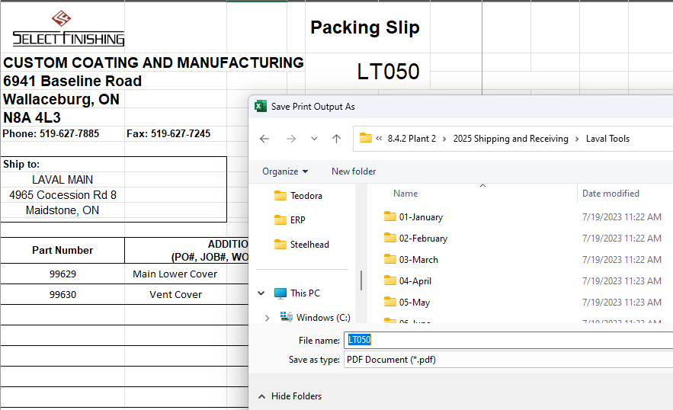

Receiving log
Enter all the parts received and their quantities
To enter the part nuber there are 3 options:
 | - type the part number
 | - pick from the drop down list
 | - start typing then pick from the list

